Impact & Liklihood
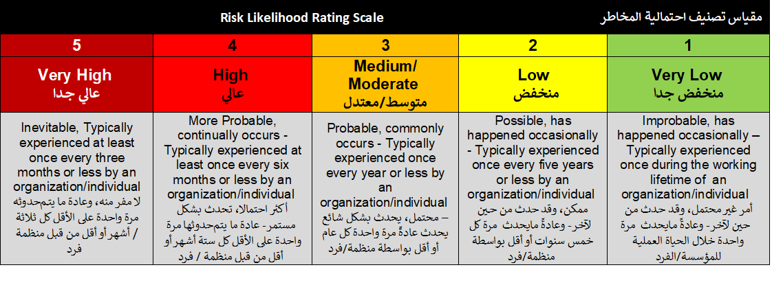

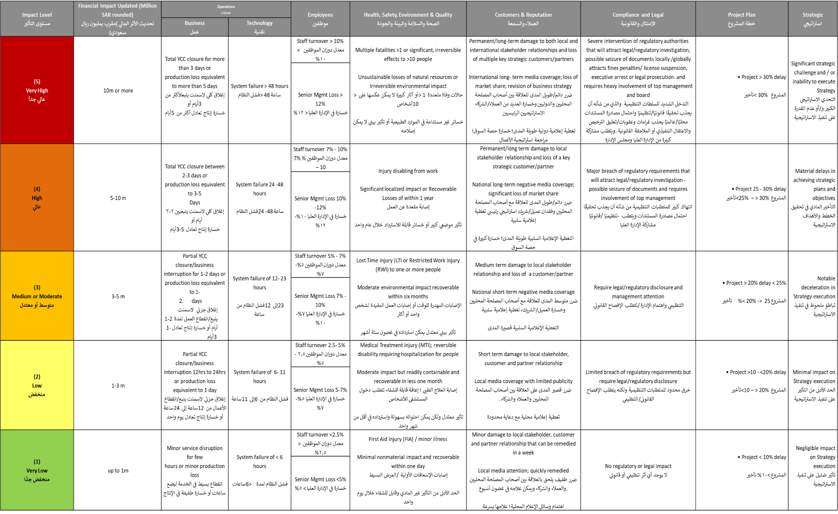

منخفض جداً 1 - 6 | منخفض 8 – 9 | متوسط 10 – 12 | عالي 15 – 16 | عالي جداً 20- 25

